Stats
 |  |  |  |  |  |  | Bonus Amount | Date | Percent
 |  |  |  | Last Day of Year | 2018-12-31 |  | Hired before | 2010-01-01 | 9%
 |  |  |  | Manager Salary Threshold | $70,000 |  | Hired on or before | 2015-01-01 | 5% | Ensure columns/rows are wide even so all data can be read
 |  |  |  |  |  |  | Hired after | 2015-01-01 | 3%
 |  | Transpayne Sales Rep Salary Information
Employee ID | Name | Location | Title | Hire Date | Years Employed | Salary | Salary Rank |  | Salary Rank
3824 | Adams | Vancouver | Manager | 2007-10-14 |  | $68,750 | 2 |  |  | Highlight D7:D26
4955 | Akmatalieva | Prince George | Account Rep | 2018-11-03 |  | $49,575 | 6 |  |  | Go to the Home Ribbon and select the Find & Select in the Editing group
2521 | Barnes | Kelowna | Account Rep | 2014-06-14 |  | $46,000 | 11
4453 | Crandell | Kelowna | Manager | 2009-03-09 |  | $75,800 | 1
2967 | Deberard | Prince George | Account Rep | 2014-12-04 |  | $46,795 | 9 | Use mixed referencing
2645 | Doering | Vancouver | Account Rep | 2014-06-05 |  | $43,750 | 17 | update the formatting (do not leave as $)
1268 | Forgan | Vancouver | Account Rep | 2015-09-03 |  | $45,250 | 12
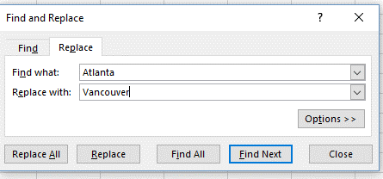
4458 | Franklin | Vancouver | Account Rep | 2014-07-19 |  | $47,240 | 8
1370 | Garbett | Vancouver | Account Rep | 2014-09-18 |  | $47,835 | 7
2848 | Gomez | Kelowna | Account Rep | 2016-10-15 |  | $46,725 | 10
3996 | Hartvigsen | Kelowna | Account Rep | 2015-02-18 |  | $45,000 | 15
4070 | Keone | Prince George | Account Rep | 2015-04-03 |  | $45,125 | 13
3099 | Laing | Prince George | Manager | 2011-01-17 |  | $65,500 | 3
2698 | Lenz | Vancouver | Account Rep | 2012-04-15 |  | $49,750 | 5
2611 | Nitz | Prince George | Account Rep | 2017-08-15 |  | $41,000 | 19
1256 | Peterson | Vancouver | Account Rep | 2015-11-04 |  | $45,100 | 14
2009 | Scholfield | Vancouver | Account Rep | 2016-07-14 |  | $39,750 | 20
4428 | Selinger | Kelowna | Account Rep | 2016-11-08 |  | $41,525 | 18
4545 | Terriquez | Prince George | Account Rep | 2012-04-15 |  | $49,750 | 5 |  |  | Repeat for b) and c)
1281 | Unice | Prince George | Account Rep | 2014-01-31 |  | $43,750 | 17

 | Total Salary | Maximum Salary | Minimum Salary | Average Salary
Vancouver | $387,425 | $68,750 | $39,750 | $48,428 |  | For consistency, update the formatting to be the same as above
Kelowna | $255,050 | $75,800 | $41,525 | $51,010 |  | use format painter or the update formatting feature
Prince George | $341,495 | $65,500 | $41,000 | $48,785

Account Rep |  |  |  |  |  |  |  |  |  | sumif and averageif functions are asking for a criteria (in this case, Vancouver, Kelown, Prince George) to be met in order to add to the total
Summary of Account Reps in Vancouver |  |  |  |  |  | Two criteria need to be met so the IFS functions need to be used |  |  |  | use mixed referencing so you can put the formula in once and drag it down to complete the remainder.
Total Salary | $318,675 |  |  |  |  | Note that the cells to total/average are being seleclted first |  |  |  | absolute referencing would work but mixed has been requested - marks will be taken off the exam
Average Salary | $45,525 |  |  |  |  | (in the IF functions they were selected last) |  |  |  | avoid using real numbers and words (i.e Vancouver) in the formula so it is more versatile and easier to update
Count of Account Reps in Vancouver | $7 |  |  |  |  | Avoid using real words in the formula (i.e. Account Rep) |  |  |  | in this case, use A30 instead of Vancouver; when you drag the formula down it will be updated - leave as relative referencing
 |  |  |  |  |  | "Account Rep" has been place in A34 and that is used in the formula

Quartile | Salary | Centre and highlight (your choice of colours) the column headings |  |  |  | Update the formatting
0 | $39,750 |  |  |  |  | (see note above - marks will be taken off if this is not done) |  |  |  |  | The curly brackets are added by Excel. This is what the formula looks like in the formula bar:
1 | $44,688
2 | $46,363
3 | $49,619
4 | $75,800
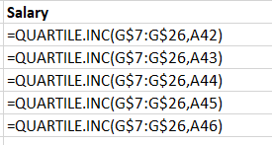
 |  |  |  |  |  |  |  |  |  | If you are using Office 365 there is a MaxIF and MinIF function. However, you will need to know how to do this in Excel 2016
 |  |  |  |  |  | A30 = Vancouver |  |  |  | Enter the cells required but do not hit enter
 |  | use the quartile.inc to include 0 and 4 (aka minimum and maximum) |  |  |  | A34 = Account Rep |  |  |  | This is an array formula. In order to execute, select Ctrl+Shift+Enter at the same time.
 |  | Update the formatting
 |  | (see note above - marks will be taken off if this is not done) |  |  |  | Note that the countifs formula does note need the salary column added
 |  | Use mixed referencing
 |  |  |  |  |  | Always double check your work - are the results correct?

Logic-Lookup
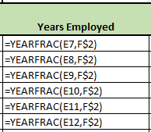
Employee ID | 3099 | Criteria: | Location | Quick Search Results: | Chicago |  | Bonus Amount | Date | Percent
 |  |  |  | Last Day of Year | 2018-12-31 |  | Hired before | 2010-01-01 | 9% |  | Ensure columns/rows are wide enough so all data can be read
 |  |  | Account Rep | Minimum Salary | $66,000 |  | Hired on or before | 2015-01-01 | 5%
 |  |  |  |  |  |  | Hired after | 2015-01-01 | 3%
 |  | Transpayne Sales Rep Salary Information
Employee ID | Name | Location | Title | Hire Date | Years Employed | Salary | Bonus Amount | Raise Status
3824 | Adams | Atlanta | Manager | 2007-10-14 | 11 | $68,750 | $6,188 | No raise
4955 | Akmatalieva | Chicago | Account Rep | 2018-11-03 | 0 | $49,575 | $1,487 | Raise due |  | 11)
2521 | Barnes | Boston | Account Rep | 2014-06-14 | 5 | $46,000 | $2,300 | Raise due |  | Everyone gets a bonus but the bonus is based on the hire date.
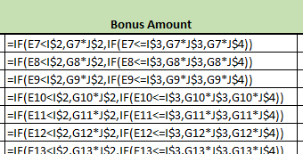
4453 | Crandell | Boston | Manager | 2009-03-09 | 10 | $75,800 | $6,822 | No raise
2967 | Deberard | Chicago | Account Rep | 2014-12-04 | 4 | $66,500 | $3,325 | Raise due
2645 | Doering | Atlanta | Account Rep | 2014-06-05 | 5 | $43,750 | $2,188 | Raise due |  |  |  | If the hire date is before 2010-01-01 the bonus is 9% x the salary
1268 | Forgan | Atlanta | Account Rep | 2015-09-03 | 3 | $45,250 | $1,358 | Raise due |  |  |  | if this is not true it will continue
4458 | Franklin | Atlanta | Account Rep | 2014-07-19 | 4 | $47,240 | $2,362 | Raise due |  |  |  | If the hire date is on or before 2015-01-01 the bonus is 5% x the salary
1370 | Garbett | Atlanta | Account Rep | 2014-09-18 | 4 | $47,835 | $2,392 | Raise due |  |  |  | if this is not true it will continue
2848 | Gomez | Boston | Account Rep | 2016-10-15 | 2 | $46,725 | $1,402 | Raise due |  |  |  | We can add another if in here but there are only three choices - if the first two
3996 | Hartvigsen | Boston | Account Rep | 2015-02-18 | 4 | $45,000 | $1,350 | Raise due |  |  |  | are false then it has to be the third
4070 | Keone | Chicago | Account Rep | 2015-04-03 | 4 | $45,125 | $1,354 | Raise due
3099 | Laing | Chicago | Manager | 2011-01-17 | 8 | $75,000 | $3,750 | No raise
2698 | Lenz | Atlanta | Account Rep | 2012-04-15 | 7 | $49,750 | $2,488 | Raise due |  | Use mixed cell referencing and update the formatting, if necessary
2611 | Nitz | Chicago | Account Rep | 2017-08-15 | 1 | $66,900 | $2,007 | Raise due
1256 | Peterson | Atlanta | Account Rep | 2015-11-04 | 3 | $45,100 | $1,353 | Raise due
2009 | Scholfield | Atlanta | Account Rep | 2016-07-14 | 2 | $39,750 | $1,193 | Raise due |  | 12)
4428 | Selinger | Boston | Account Rep | 2016-11-08 | 2 | $41,525 | $1,246 | Raise due |  | The Account Reps with a salary < $66,000 get a raise
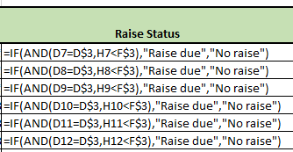
4545 | Terriquez | Chicago | Account Rep | 2012-04-15 | 7 | $49,750 | $2,488 | Raise due
1281 | Unice | Chicago | Account Rep | 2014-01-31 | 5 | $43,750 | $2,188 | Raise due |  |  |  | Don't forget the "" around the words
 |  |  |  |  |  |  |  |  |  |  |  | The false can be "" which will leave the cell blank or "No raise" or something to that effect
 |  |  |  |  | 13) |  |  |  |  |  |  | Avoid using real words in the formula - I placed "Account Rep in D3 and refered to that in the formula
14) | Relative referencing |  |  |  | use the Yearfrac function
 | Requesting Location (column 3) not Title |  |  |  | Use mixed referencing
 |  |  |  |  | update the formulas - number with zero decimals

Advanced Filtering
 | Transpayne Sales Rep Salary Information
Employee ID | Name | Location | Title | Hire Date | Salary
3824 | Adams | Atlanta | Manager | 2007-10-14 | $68,750 | 15)
4955 | Akmatalieva | Chicago | Account Rep | 2018-11-03 | $49,575 | Copy and paste the headings in row 2 to row 25
2521 | Barnes | Boston | Account Rep | 2014-06-14 | $46,000 | Select any single cell in the data area or select all from A2:F22
4453 | Crandell | Boston | Manager | 2009-03-09 | $75,800 | Data ribbon
2967 | Deberard | Chicago | Account Rep | 2014-12-04 | $46,795 | Advanced in the Sort & Filter group
2645 | Doering | Atlanta | Account Rep | 2014-06-05 | $43,750 | Make sure to select "Copy to another location"
1268 | Forgan | Atlanta | Account Rep | 2015-09-03 | $45,250 | Double check the list range covers the correct cells
4458 | Franklin | Atlanta | Account Rep | 2014-07-19 | $47,240 | Double check the criteria range
1370 | Garbett | Atlanta | Account Rep | 2014-09-18 | $47,835 | Double check to make sure the results are correct
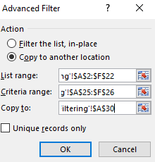
2848 | Gomez | Boston | Account Rep | 2016-10-15 | $46,725
3996 | Hartvigsen | Boston | Account Rep | 2015-02-18 | $45,000
4070 | Keone | Chicago | Account Rep | 2015-04-03 | $45,125
3099 | Laing | Chicago | Manager | 2011-01-17 | $65,500
2698 | Lenz | Atlanta | Account Rep | 2012-04-15 | $49,750
2611 | Nitz | Chicago | Account Rep | 2017-08-15 | $41,000
1256 | Peterson | Atlanta | Account Rep | 2015-11-04 | $45,100
2009 | Scholfield | Atlanta | Account Rep | 2016-07-14 | $39,750
4428 | Selinger | Boston | Account Rep | 2016-11-08 | $41,525
4545 | Terriquez | Chicago | Account Rep | 2012-04-15 | $49,750
1281 | Unice | Chicago | Account Rep | 2014-01-31 | $43,750

Criteria Range:
Employee ID | Name | Location | Title | Hire Date | Salary
 |  | Chicago | Account Rep

Output Range:
Employee ID | Name | Location | Title | Hire Date | Salary
4955 | Akmatalieva | Chicago | Account Rep | 2018-11-03 | $49,575
2967 | Deberard | Chicago | Account Rep | 2014-12-04 | $46,795
4070 | Keone | Chicago | Account Rep | 2015-04-03 | $45,125
2611 | Nitz | Chicago | Account Rep | 2017-08-15 | $41,000
4545 | Terriquez | Chicago | Account Rep | 2012-04-15 | $49,750
1281 | Unice | Chicago | Account Rep | 2014-01-31 | $43,750

Data Validation
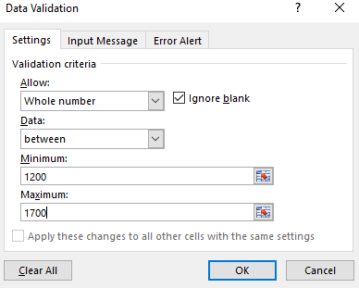
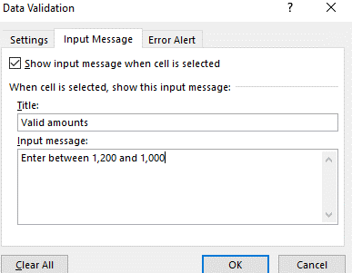
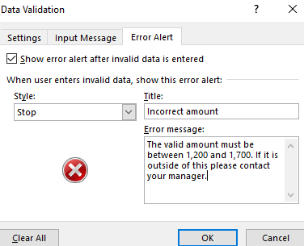
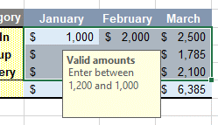
Vancouver |  |  |  | Update the formatting - numbers consistent and title merged & centered

Category | January | February | March |  | 2)
Dine-In | $1,000 | $2,000 | $2,500 |  | COPY - Hold the CTRL button and left click on the tab and drag to the new location
Pick-up | $1,250 | $1,467 | $1,785 |  | or right click and copy or use the format in the cells grouping on the home ribbon
Delivery | $1,879 | $1,548 | $2,100 |  | MOVE - similar to above but do not hold the CTRL
Total | $4,129 | $5,015 | $6,385 |  | RENAME - double click on tab

 |  |  |  |  | 3)
 |  |  |  |  | Select the cellsB B4:D6 (do not include the totals)
 |  |  |  |  | Data Ribbon
 |  |  |  |  | Data Validation in the Data Tools grouping
 |  |  |  |  | Data Validation

Summary
Regional Totals
 |  |  |  | 2) | Make sure you describe in detail
Category | January | February | March | Group - click on the Vancouver tab, then SHIFT, then the Summary tab - all 4 sheets are highlighted and showing as grouped now
Dine-In | $3,648 | $5,700 | $5,219
Pick-up | $3,750 | $4,423 | $5,445 | Select A1:D7
Delivery | $5,547 | $4,676 | $5,200 | Go to the Home ribbon and select Fill in the Editing group
Total | $12,945 | $14,799 | $15,864 | Click on Across Worksheets
 |  |  |  | Select Formats

 | Make sure the number formatting is updated |  |  |  |  | Autosum
 |  |  |  |  |  | Home Ribbon



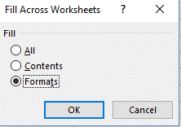
 |  |  |  |  |  | 4) steps listed in 4)

Arrange Windows
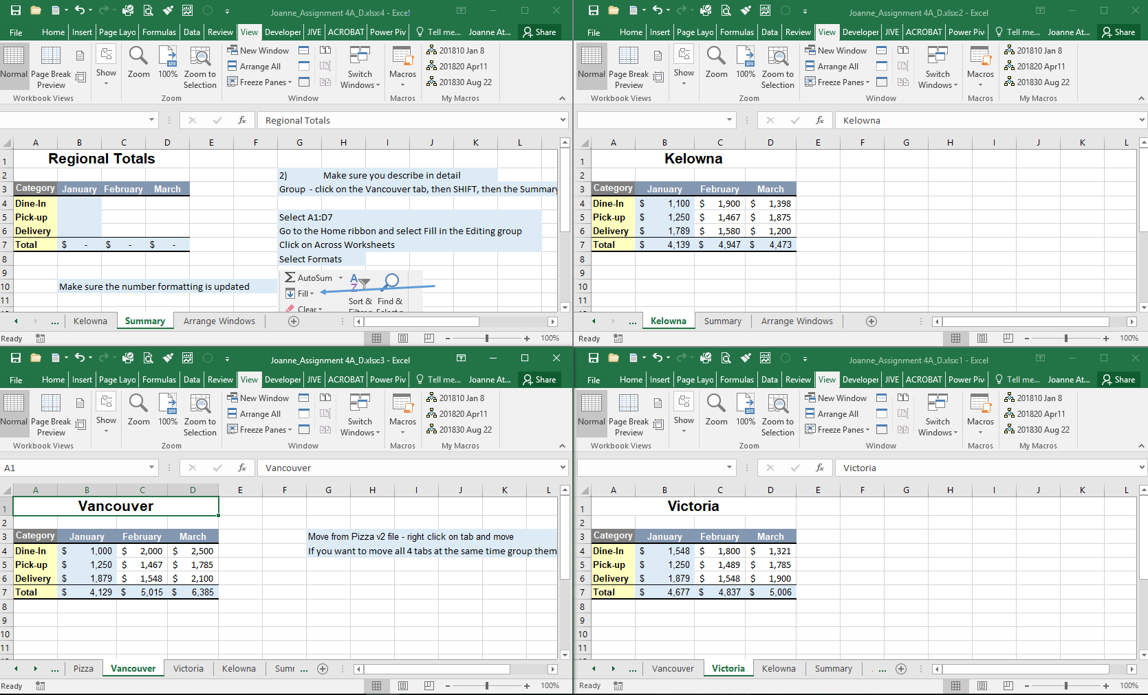
View Ribbon - New Window
Repeat two more times


View Ribbon - Arrange All


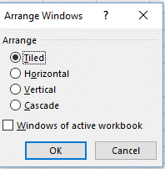

Use the snipping tool or Print screen
This must be included in the Excel spreadsheet
If an extra file (i.e. jpg or png) was submitted
no marks will be given

Movies
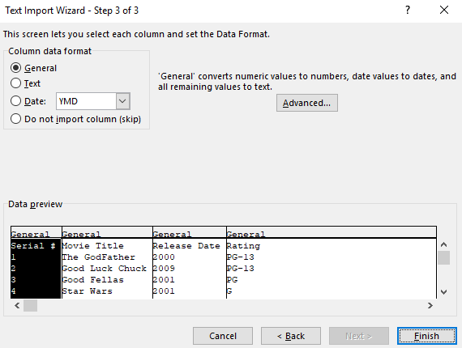
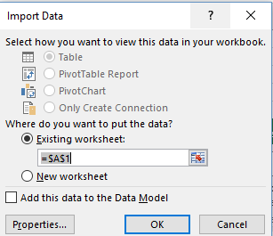
Serial # | Movie Title | Release Date | Rating
1 | The GodFather | 2000 | PG-13 | Data Ribbon | Adjust columns
2 | Good Luck Chuck | 2009 | PG-13 | From Text | Rename worksheet
3 | Good Fellas | 2001 | PG
4 | Star Wars | 2001 | G
5 | Indiana Jones | 1992 | PG-13 |  | Copy the worksheet
6 | Bridget Jones | 2000 | PG-13 |  | Rename new worksheet Text functions
7 | Step Brothers | 1994 | PG-13
8 | Mama Mia | 2001 | G
9 | Tron | 1999 | G
10 | The Last Dragon | 2001 | PG
11 | The Golden Child | 2002 | R
12 | Shaft | 1979 | R
13 | Super Fly | 1980 | G
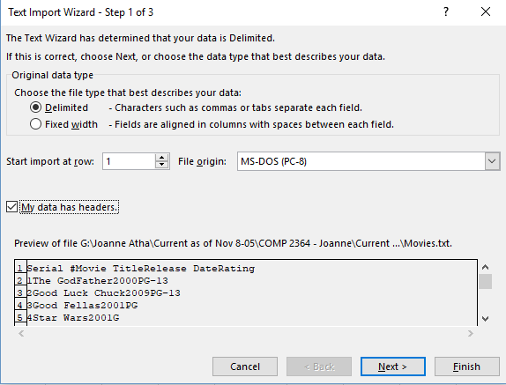
14 | Big Trouble in Little China | 2010 | G
15 | Blue Streak | 2009 | PG
16 | Glory Road | 1984 | PG
17 | Remember The Titans | 1988 | PG-13
18 | Up | 1996 | PG-13
19 | Aladdin | 1987 | G
20 | Cinderella | 1989 | PG-13
21 | House Party | 2001 | G
22 | Office Space | 1989 | PG
23 | Dirty Harry | 2008 | R
24 | Monsters Inc | 2005 | PG
25 | Space Cowboys | 2000 | R
26 | Planet 51 | 1982 | PG
27 | Vanilla Sky | 1997 | PG
28 | Batman | 1994 | R
29 | Superman | 1998 | PG-13
1 | The God Father | 2000 | PG
2 | Good Luck Chuck | 2009 | R
3 | Good Fellas | 2001 | G
5 | Indiana Jones | 1992 | R
7 | Step Brothers | 1994 | R
8 | Mama Mia | 2001 | PG
9 | Tron | 1999 | PG
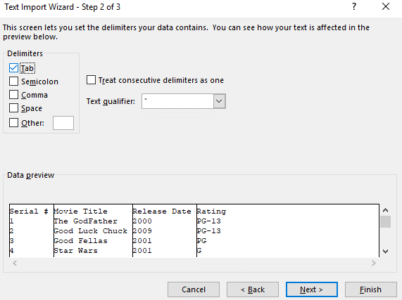
10 | The Last Dragon | 2001 | G
11 | The Golden Child | 2002 | PG
15 | Blue Streak | 2009 | R
17 | Remember The Titans | 1988 | G
19 | Aladdin | 1987 | R
20 | Cinderella | 1989 | R

Text functions
2018-09-25

Serial # | Release Date | Movie Title | Movie Title | Rating | Rating
1 | 2000 | The GodFather | 2000 THE GODFATHER | PG-13 | PG-12
2 | 2009 | Good Luck Chuck | 2009 GOOD LUCK CHUCK | PG-13 | PG-12 |  | Rename new worksheet Text functions
3 | 2001 | Good Fellas | 2001 GOOD FELLAS | PG | PG | Moving | Highlight column c and cut
4 | 2001 | Star Wars | 2001 STAR WARS | G | G |  | Highlight column b and right click and select "insert cut cells"
5 | 1992 | Indiana Jones | 1992 INDIANA JONES | PG-13 | PG-12 |  | Right click on column d and insert new column
6 | 2000 | Bridget Jones | 2000 BRIDGET JONES | PG-13 | PG-12
7 | 1994 | Step Brothers | 1994 STEP BROTHERS | PG-13 | PG-12 |  | Don't forget to use the concatenate function - the & would work but no marks will be given since concatenate was requested
8 | 2001 | Mama Mia | 2001 MAMA MIA | G | G |  | Don't forget to add the " " so there is a space in between the words
9 | 1999 | Tron | 1999 TRON | G | G
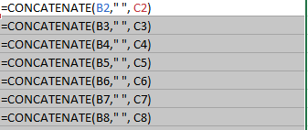
10 | 2001 | The Last Dragon | 2001 THE LAST DRAGON | PG | PG
11 | 2002 | The Golden Child | 2002 THE GOLDEN CHILD | R | R
12 | 1979 | Shaft | 1979 SHAFT | R | R
13 | 1980 | Super Fly | 1980 SUPER FLY | G | G
14 | 2010 | Big Trouble in Little China | 2010 BIG TROUBLE IN LITTLE CHINA | G | G
15 | 2009 | Blue Streak | 2009 BLUE STREAK | PG | PG
16 | 1984 | Glory Road | 1984 GLORY ROAD | PG | PG
17 | 1988 | Remember The Titans | 1988 REMEMBER THE TITANS | PG-13 | PG-12
18 | 1996 | Up | 1996 UP | PG-13 | PG-12
19 | 1987 | Aladdin | 1987 ALADDIN | G | G |  | Column D should have this formula in it as per c) - nested function; no marks given if there are two columns/formulas
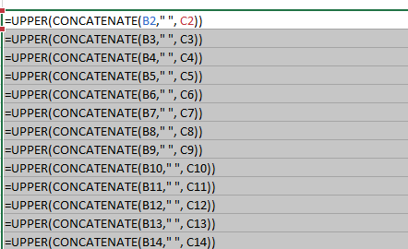
20 | 1989 | Cinderella | 1989 CINDERELLA | PG-13 | PG-12
21 | 2001 | House Party | 2001 HOUSE PARTY | G | G
22 | 1989 | Office Space | 1989 OFFICE SPACE | PG | PG
23 | 2008 | Dirty Harry | 2008 DIRTY HARRY | R | R
24 | 2005 | Monsters Inc | 2005 MONSTERS INC | PG | PG
25 | 2000 | Space Cowboys | 2000 SPACE COWBOYS | R | R
26 | 1982 | Planet 51 | 1982 PLANET 51 | PG | PG
27 | 1997 | Vanilla Sky | 1997 VANILLA SKY | PG | PG
28 | 1994 | Batman | 1994 BATMAN | R | R
29 | 1998 | Superman | 1998 SUPERMAN | PG-13 | PG-12
1 | 2000 | The God Father | 2000 THE GOD FATHER | PG | PG
2 | 2009 | Good Luck Chuck | 2009 GOOD LUCK CHUCK | R | R
3 | 2001 | Good Fellas | 2001 GOOD FELLAS | G | G
5 | 1992 | Indiana Jones | 1992 INDIANA JONES | R | R
7 | 1994 | Step Brothers | 1994 STEP BROTHERS | R | R
8 | 2001 | Mama Mia | 2001 MAMA MIA | PG | PG
9 | 1999 | Tron | 1999 TRON | PG | PG |  | Highlight the headings and select bold or use CTRL + B
10 | 2001 | The Last Dragon | 2001 THE LAST DRAGON | G | G |  | Keep the headings highlighted and select underline or use CTRL + U
11 | 2002 | The Golden Child | 2002 THE GOLDEN CHILD | PG | PG
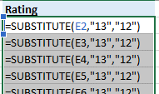
15 | 2009 | Blue Streak | 2009 BLUE STREAK | R | R
17 | 1988 | Remember The Titans | 1988 REMEMBER THE TITANS | G | G
19 | 1987 | Aladdin | 1987 ALADDIN | R | R |  |  | Do not use Find & Replace
20 | 1989 | Cinderella | 1989 CINDERELLA | R | R |  |  | You could also refer to PG-13 and PG-12

 |  |  |  |  |  |  | Highlight rows 1 and 2
 |  |  |  |  |  |  | Right click
 |  |  |  |  |  |  | Select insert

 |  |  |  |  |  |  | Current date

 |  |  |  |  |  |  |  | or =now()

